Outstanding Payments
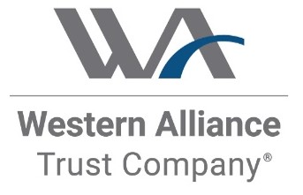

Outstanding Payments as of 11/18/2025
Unapplied Cash Transactions
Date | Issuer/Borrower | Facility/Security | Amount | Wire Details | Notes

 |  |  | -

Past Due Receivables
Transaction ID | Asset ID | Currency | Date | Issuer/Borrower | Facility/Security | Identifier | Transaction Type | Account | Participation Counterparty | Transaction Amount | Cash Not Applied | Research | Notes
 |  |  |  |  |  |  |  |  |  | (5,236,089.61) | (5,336,089.61)
447153 | 9077 | USD | 10/10/2025 | GGG Midco LLC | Initial Term Loan | LX249162 | Facility - Purchase | Principal Collection Account |  | (5,254,591.19) | (5,354,591.19)
476344 | 9071 | USD | 10/31/2025 | Harris & Co. LLC | Initial Term Loan | LX245515 | Loan - Interest Payment | Interest Collection Account |  | 18,501.58 | 18,501.58

